Sheet1
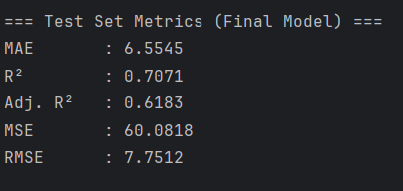
ID | True_Age | Predicted_Age
sample_91 | 13 | 24.8 | 11.8
sample_73 | 18 | 25.4 | 7.4
sample_132 | 19 | 26 | 7
sample_167 | 20 | 26.4 | 6.4
sample_85 | 21 | 23.2 | 2.2
sample_164 | 22 | 33.2 | 11.2
sample_210 | 23 | 23.2 | 0.2
sample_258 | 24 | 22.4 | 1.6
sample_67 | 25 | 27.4 | 2.4
sample_147 | 26 | 21.2 | 4.8
sample_261 | 27 | 24.2 | 2.8
sample_273 | 28 | 37.8 | 9.8
sample_3 | 29 | 30.8 | 1.8 | 5.3384615385
sample_191 | 31 | 41.2 | 10.2
sample_7 | 32 | 24.8 | 7.2
sample_277 | 33 | 26.6 | 6.4
sample_270 | 34 | 27.8 | 6.2
sample_98 | 35 | 48 | 13
sample_220 | 36 | 24.8 | 11.2
sample_113 | 37 | 32 | 5
sample_283 | 38 | 33.8 | 4.2
sample_13 | 39 | 42.4 | 3.4
sample_15 | 41 | 47 | 6
sample_278 | 42 | 53 | 11
sample_276 | 44 | 28.2 | 15.8
sample_204 | 45 | 36.4 | 8.6
sample_24 | 46 | 55.2 | 9.2
sample_269 | 47 | 39.8 | 7.2
sample_102 | 48 | 47.2 | 0.8
sample_282 | 49 | 53 | 4
sample_236 | 50 | 56.6 | 6.6
sample_153 | 51 | 48.8 | 2.2
sample_248 | 52 | 44 | 8
sample_244 | 53 | 47.8 | 5.2
sample_193 | 54 | 55.8 | 1.8
sample_247 | 55 | 50.4 | 4.6
sample_201 | 56 | 49.8 | 6.2
sample_250 | 57 | 52 | 5
sample_37 | 58 | 50 | 8
sample_239 | 59 | 56.8 | 2.2
sample_268 | 60 | 57.8 | 2.2 | 6.4785714286
sample_94 | 61 | 55.4 | 5.6
sample_54 | 65 | 52.8 | 12.2
sample_41 | 66 | 46.2 | 19.8 | 12.533333333

